CoverSheet
Toxic Release Inventory (TRI) Guidance Tool

Any Chicken Company
Poultry Feed Mill
Any City, Any State
2017-06-01

This spreadsheet (Tool) is intended to be used as a guide to assist environmental managers, etc. with TRI reporting. This Tool was produced by US Poultry & Egg Association, with assistance from Woodruff & Howe Environmental Engineering, Inc. (WHEE), for the use of its members as a TRI reporting estimation tool. The proper use of this Tool requires extensive knowledge of the applicable rules and regulations. In addition, the user must have an understanding of the limitations of the sampling, metering and analytical data utilized in preparing the information for this reporting. Users should verify all calculations before submittal to regulatory agencies. US Poultry & Egg Association and WHEE are not liable for errors, omissions or incorrect usage of this Tool.
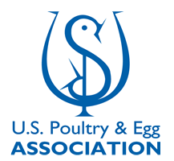

2nd Release: January 2018

